RELEASES
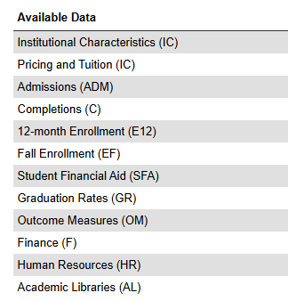
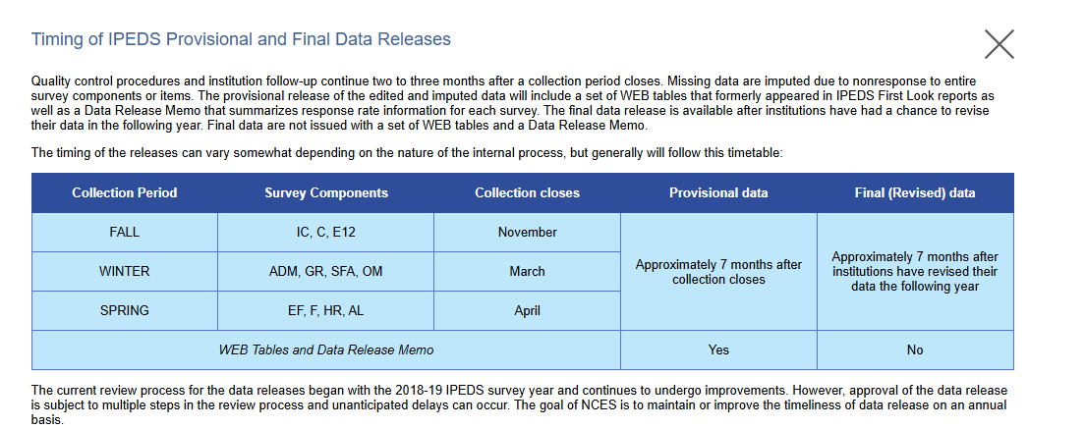
IPEDS DATA RELEASE CADENCE
Year (Academic or Calendar | Institutional Characteristics, Completions, and 12-month Enrollment | Admissions, Graduation Rates, Fin Aid, Outcomes | Fall Enrollment, Finance, Human Resources, Academic Libraries
2023 |  |  | Nov-24
23-24 | Jun-25 | Oct-25
2024 |  |  | Nov-25
24-25 | Jun-26 | Oct-26
2025 |  |  | Nov-26
25-26 | Jun-27 | Oct-27
2026 |  |  | Nov-27
26-27 | Jun-28 | Oct-28
2027 |  |  | Nov-28
27-28 | Jun-29 | Oct-29
2028 |  |  | Nov-29
28-29 | Jun-30 | Oct-30
2029 |  |  | Nov-30

BLS DATA RELEASE CADENCE

Year | Data |  | Release
2024-2034 | Occupational Projections |  | Late Aug 2025 | Link to Release Schedule 2024-2034
2025-2035 | Occupational Projections |  | Late Aug 2026 | Link to Release Schedule 2025-2035
2026-2036 | Occupational Projections |  | Late Aug 2027 | Link to Release Schedule 2026-2036

2024 | Occupational Employment and Wages |  | May-24 | Link to Release Schedule 2024
2025 | Occupational Employment and Wages |  | May-25 | Link to Release Schedule 2025
2026 | Occupational Employment and Wages |  | May-26 | Link to Release Schedule 2026

